Dashboard
Titanic Analysis

Passengers by Class
 | Total
Lower | 215625
Upper | 98813
Middle | 82056
Passengers by Gender
 | Total
male | 262043
female | 134451
Passengers by Gender
 | Total
No | 245412
Yes | 151082

passengers by age
 | Total
Adults | 153901
Young Adults | 98154
Middle Age | 47164
Teens | 32212
Children | 29712
Older Aged | 24002
Seniors | 7739
Olders | 3610
 | Total
Southampton | 289496
Cherbourg | 74820
Queenstown | 32178

Documention
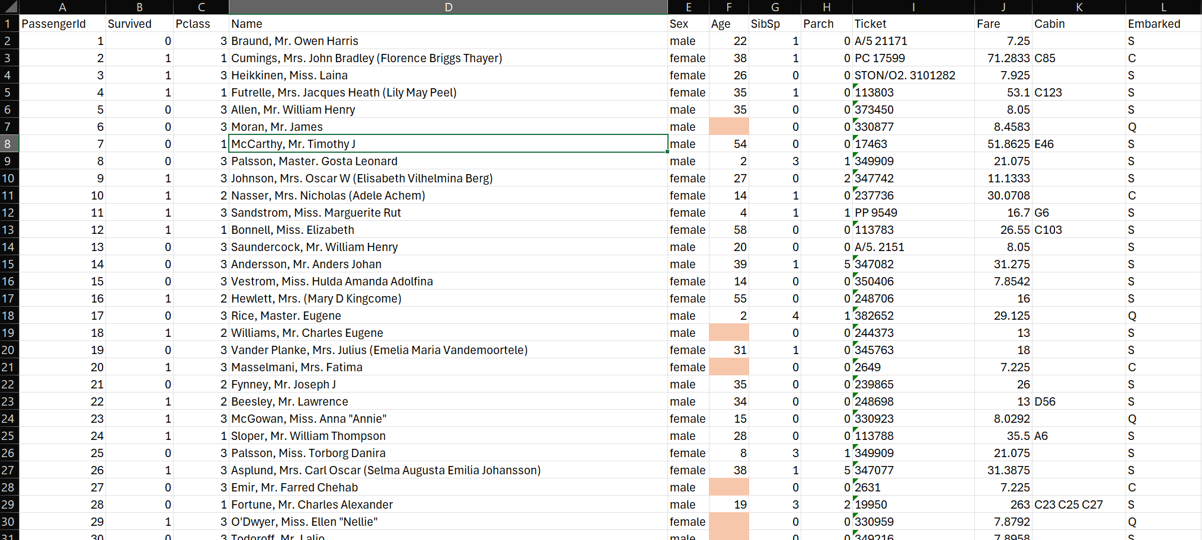
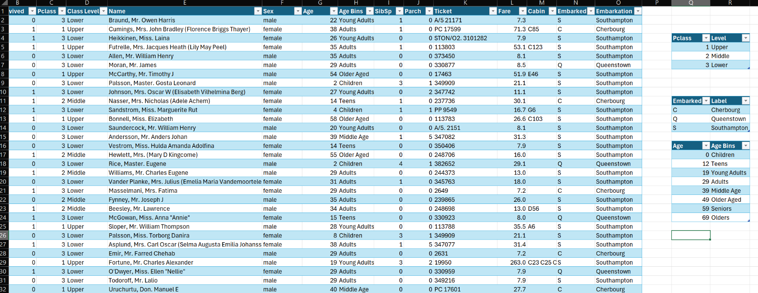
There were 177 missing value in Age Column and fixed by replaceing with Average age of all passengers which is 29

Cheking for Dublicates
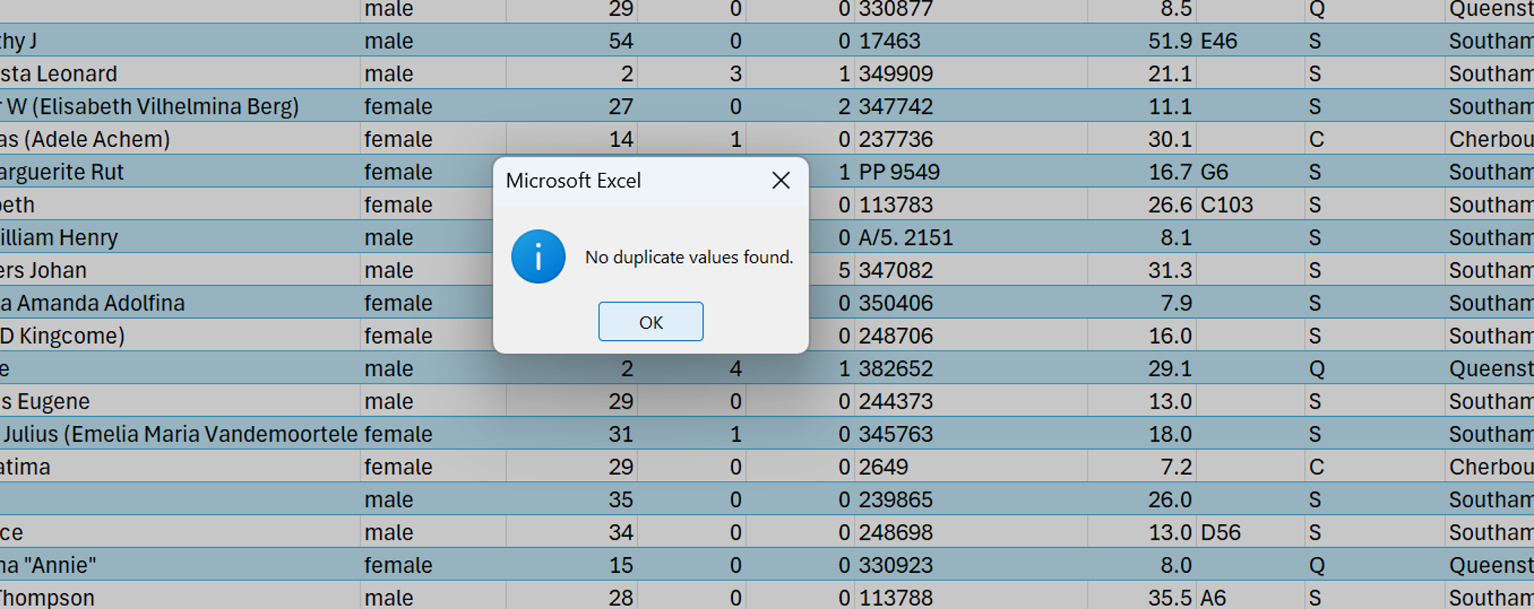

There were two missing values in Embarked column so they are less than 5% of the rows we have then we could delete them succefully

Changing Data Types of Columns

Inserting New Column Class Level to decode the label of each Pclass



Binning Age Column to show proportions
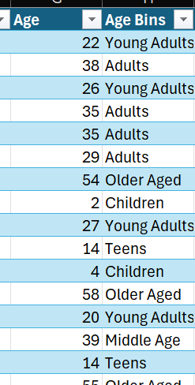

Labeling Each Number value to represent meaningful label

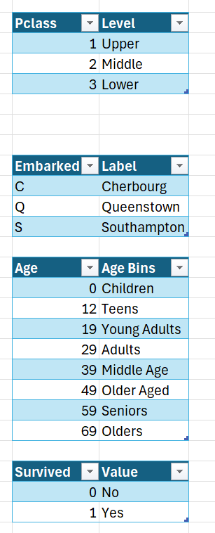

Before Cleaning & Transformation and After

